SITE COSTS
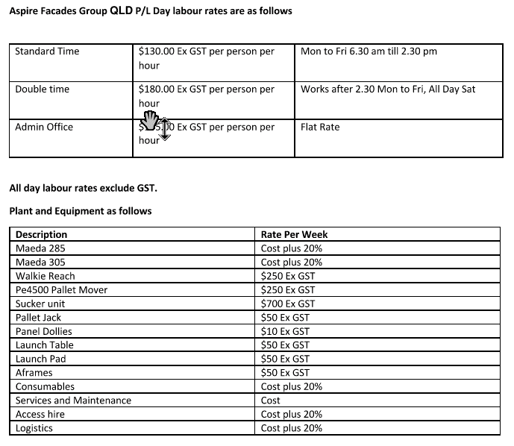
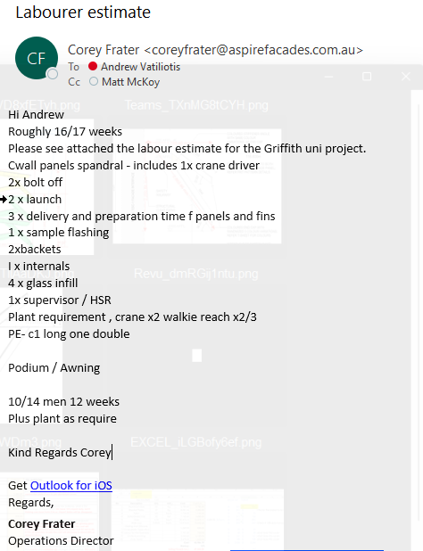
TENDER # | T1112
PROJECT NAME:
CLIENT: | Lendlease
ARCHITECT: | BVN

TENDER LEADER: | Andrew Vatiliotis
REVISION: | 0
DATE: | 4-Oct-22

COST CENTRE | COST CENTRE DESCRIPTION | TENDER COSTINGS | CRITERIA |  | COMMENTS
 | SITE COSTS
9-1000 | SITE INSTALLATION SUBCONTRACTING | $96,600.00 | 578.00 | SQM
 |  |  | $167.13 | SQM INSTALL RATE | based on aspire rates with some float.
9-1001 | SITE STORAGE EQUIPMENT HIRE
9-1002 | SITE ACCESS EQUIPMENT HIRE | $3,500.00 |  | DELIVERY FEE | scissor lift
 |  |  | 8.71 | WEEKS ONSITE
 |  |  |  | WEEK ALLOWANCE
9-1003 | SITE INSTALLATION LIFTING DEVICE HIRE
9-1004 | SITE INSTALLATION TOOLS AND CONSUMABLES | $5,000.00 | $5,000.00
9-1005 | RUBBISH REMOVAL | $-
9-1006 | PROTECTION MATERIALS | $2,000.00 | $2,000.00
9-1007 | SITE OFFICES | $-
9-1008 | SITE SURVERY | $3,000.00 | $3,000.00
9-1009 | FINAL CLEAN | $-
9-1010 | SITE CONSUMABLE TOOLS | $-

TRANSPORT & LOGISTICS
TENDER # | T1112 |  | TOTAL PANELS | #REF!
PROJECT NAME: |  |  | PALLET A PANELS - 0mm - 1100mm | #REF!
CLIENT: | Lendlease |  | PALLET B PANELS - 1101mm - 1200mm | #REF!
ARCHITECT: | BVN |  | PALLET C PANELS- 1201mm > | #REF!
 |  |  | QTY OF PANELS PER PALLET | 6
TENDER LEADER: | Andrew Vatiliotis |  | PALLET A QTY | #REF!
REVISION: | 0 |  | PALLET B QTY | #REF!
DATE: | 4-Oct-22 |  | PALLET C QTY | #REF!

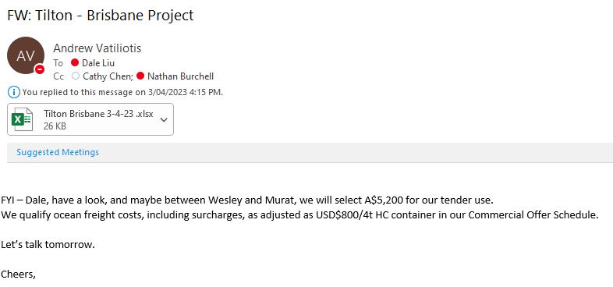
COST CENTRE | COST CENTRE DESCRIPTION | TENDER COSTINGS |  |  | COMMENTS
 | TRANSPORT AND LOGISTICS
8-1000 | FREIGHT FORWARDING PACKAGE | $58,485.00 | REQUIRED | OVERSEAS PROCUREMENT
 |  |  | 9.00 | QUANTITY OF CONTAINERS
 |  |  | $6,498.33 | CONTAINER RATE | AAW's quote - sea freight increased to 1600USD
8-1001 | LOCAL LOGISITICS TO SITE | $8,782.68 | 16 trucks to site
8-1002 | LOCAL STORAGE FACILITY | $4,542.86 | 6 weeks of storage
8-1003 | CUSTOMS AND CLEARANCE | $-
 |  | $-

BOQ SUMMARY
Code | Base | Job Sqm? | Façade Type | Description | Sqm | Cbm | Count | Lm | Rate | Unit | Total | Install Rate | Install Unit | Install Total | Site Total | O/H Total | Margin Total | Overall Total | Price By | Price Realibility | TFG Comments
6-1000 | base | yes | cw | Nom. 1200mm Wide Unitised Curtawin Wall Panel | 494 | N/A | 108 | 127 | $420 | /Sqm | $81,480 | $200.00 | /Sqm | $38,800 | #REF! | #REF! | #REF! | $316,427 | Kaskal | 4 |  | Row Labels | Sum of SQM TOTAL
7-1002 | base | yes | cw | Automatic double sliding door - D01 | 6 | N/A | 1 | 2 | $12,266 | /Count | $100,800 | Included |  | $48,000 | #REF! | #REF! | #REF! | $391,456 | TFG | 3 |  | CW | 1343.04
7-1002 | base | yes | cw | Double swing door - D02 | 6 | N/A | 1 | 2 | $380 | /Sqm | $24,533 |  |  | $0 | #REF! | #REF! | #REF! | $40,971 | TFG | 3 |  | ELEV | 447.36
5-1017 | base |  | cw | Cast-in Channel | N/A | N/A | 108 | N/A | $30 | /Count | $12,266 |  |  | $0 | #REF! | #REF! | #REF! | $23,763 | TFG | 3 |  | (blank) | 447.36
5-1011 | base |  | cw | Acoustic insulating foam sealant |  |  | N/A | 64 | $1 | /Lm | $1,410 |  |  | $0 | #REF! | #REF! | #REF! | $1,692 |  | 4 |  | INFILL | 447.84
5-1005 | base |  | cw | Panel bracket; 2 for each cast-in | N/A | N/A | 216 | N/A | Included |  | $0 |  |  | $0 | #REF! | #REF! | #REF! | $0 | Kaskal |  |  | F | 434.88
5-1009 | base |  | cw | Smoke flashing | N/A | N/A | N/A | 64 | $25 | /Lm | $73 |  |  | $0 | #REF! | #REF! | #REF! | $88 | TFG | 3 |  | DOUBLE SLIDING DOOR | 12.96
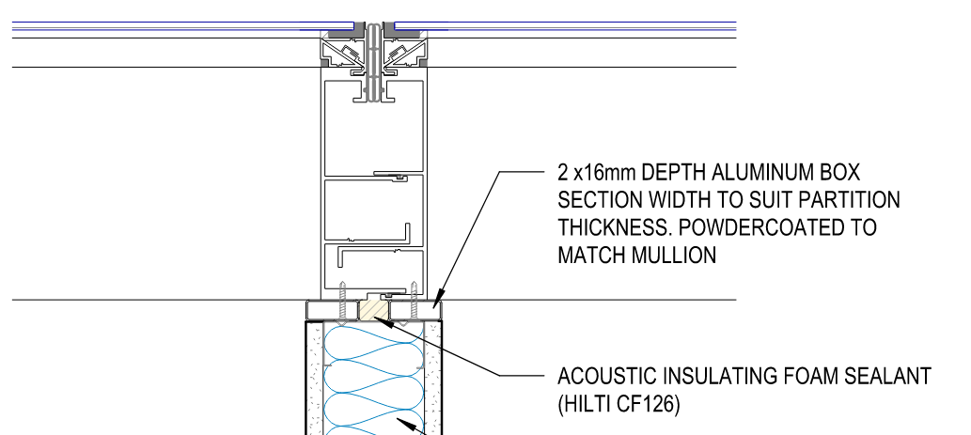
6-1001 | base | yes | ww | Nom. 1200mm Wide Windows | 69 | N/A | 30 | 36 | $350 | /Sqm | $1,400 | $200.00 | /Sqm | $0 | #REF! | #REF! | #REF! | $1,680 | Kaskal | 4 |  | PANEL | 447.84
6-1002 | base | yes | ww | Single hinged door | 3 | N/A | 1 | 1 | $380 | /Sqm | $0 | $200.00 | /Sqm | $0 | #REF! | #REF! | #REF! | $0 | TFG | 3 |  | F | 143.28
7-1005 | base |  | ww | 100mm wide decal | N/A | N/A | N/A | 1 | $25 | /Lm | $7,700 |  |  | $4,400 | #REF! | #REF! | #REF! | $34,035 | TFG | 3 |  | F/F | 291.6
5-1013 | base |  | ww | Sealant and backing rod to subframing | N/A | N/A | N/A | 127 | $5 | /Lm | $8,400 |  |  | $4,800 | #REF! | #REF! | #REF! | $37,130 | TFG | 3 |  | DOUBLE SLIDING DOOR PANEL | 12.96
5-1013 | base |  | ww | Bolts to subframing | N/A | N/A | 293 | N/A | $2 | /Count | $1,140 |  |  | $600 | #REF! | #REF! | #REF! | $4,749 | TFG | 3 |  | WW | 149.0625
 |  |  |  |  |  |  |  |  |  |  | $25 |  |  | $0 | #REF! | #REF! | #REF! | $30 |  |  |  | ELEV | 49.6875
 |  |  |  |  |  |  |  |  |  |  | $497 |  |  | $0 | #REF! | #REF! | #REF! | $596 |  |  |  | (blank) | 49.6875
 |  |  |  |  |  |  |  |  |  |  | $448 |  |  | $0 | #REF! | #REF! | #REF! | $538 |  |  |  | INFILL | 49.6875
 |  |  |  |  |  |  |  |  |  |  | $0 |  |  | $0 | #REF! | #REF! | #REF! | $0 |  |  |  | F | 46.92
 |  |  |  |  |  |  |  |  |  |  | $0 |  |  | $0 | #REF! | #REF! | #REF! | $0 |  |  |  | SINGLE HINGED DOOR | 2.7675
 |  |  |  |  |  |  |  |  |  |  | $0 |  |  | $0 | #REF! | #REF! | #REF! | $0 |  |  |  | PANEL | 49.6875
 |  |  |  |  |  |  |  |  |  |  | $0 |  |  | $0 | #REF! | #REF! | #REF! | $0 |  |  |  | F | 46.92
 |  |  |  |  |  |  |  |  |  |  | $0 |  |  | $0 | #REF! | #REF! | #REF! | $0 |  |  |  | SINGLE HINGED DOOR | 2.7675
 |  |  |  |  |  |  |  |  |  |  | $0 |  |  | $0 | #REF! | #REF! | #REF! | $0 |  |  |  | (blank) | 0
 |  |  |  |  |  |  |  |  |  |  | $0 |  |  | $0 | #REF! | #REF! | #REF! | $0 |  |  |  | (blank) | 0
 |  |  |  |  |  |  |  |  |  |  | $0 |  |  | $0 | #REF! | #REF! | #REF! | $0 |  |  |  | (blank) | 0
 |  |  |  |  |  |  |  |  |  |  | $0 |  |  | $0 | #REF! | #REF! | #REF! | $0 |  |  |  | Grand Total | 1492.1025
 |  |  |  |  |  |  |  |  |  |  | $0 |  |  | $0 | #REF! | #REF! | #REF! | $0
 |  |  |  |  |  |  |  |  |  |  | $0 |  |  | $0 | #REF! | #REF! | #REF! | $0
 |  |  |  |  |  |  |  |  |  |  | $0 |  |  | $0 | #REF! | #REF! | #REF! | $0
 |  |  |  |  |  |  |  |  |  |  | $0 |  |  | $0 | #REF! | #REF! | #REF! | $0
 |  |  |  |  |  |  |  |  |  |  | $0 |  |  | $0 | #REF! | #REF! | #REF! | $0
 |  |  |  |  |  |  |  |  |  |  | $0 |  |  | $0 | #REF! | #REF! | #REF! | $0
 |  |  |  |  |  |  |  |  |  |  | $0 |  |  | $0 | #REF! | #REF! | #REF! | $0
 |  |  |  |  |  |  |  |  |  |  | $0 |  |  | $0 | #REF! | #REF! | #REF! | $0
 |  |  |  |  |  |  |  |  |  |  | $0 |  |  | $0 | #REF! | #REF! | #REF! | $0
 |  |  |  |  |  |  |  |  |  |  | $0 |  |  | $0 | #REF! | #REF! | #REF! | $0
 |  |  |  |  |  |  |  |  |  |  | $0 |  |  | $0 | #REF! | #REF! | #REF! | $0
 |  |  |  |  |  |  |  |  |  |  | $0 |  |  | $0 | #REF! | #REF! | #REF! | $0
 |  |  |  |  |  |  |  |  |  |  | $0 |  |  | $0 | #REF! | #REF! | #REF! | $0
 |  |  |  |  |  |  |  |  |  |  | $0 |  |  | $0 | #REF! | #REF! | #REF! | $0
 |  |  |  |  |  |  |  |  |  |  | $0 |  |  | $0 | #REF! | #REF! | #REF! | $0
 |  |  |  |  |  |  |  |  |  |  | $0 |  |  | $0 | #REF! | #REF! | #REF! | $0
 |  |  |  |  |  |  |  |  |  |  | $0 |  |  | $0 | #REF! | #REF! | #REF! | $0
 |  |  |  |  |  |  |  |  |  |  | $0 |  |  | $0 | #REF! | #REF! | #REF! | $0
 |  |  |  |  |  |  |  |  |  |  | $0 |  |  | $0 | #REF! | #REF! | #REF! | $0
 |  |  |  |  |  |  |  |  |  |  | $0 |  |  | $0 | #REF! | #REF! | #REF! | $0
 |  |  |  |  |  |  |  |  |  |  | $0 |  |  | $0 | #REF! | #REF! | #REF! | $0
 |  |  |  |  |  |  |  |  |  |  | $0 |  |  | $0 | #REF! | #REF! | #REF! | $0
 |  |  |  |  |  |  |  |  |  |  | $0 |  |  | $0 | #REF! | #REF! | #REF! | $0
 |  |  |  |  |  |  |  |  |  |  | $0 |  |  | $0 | #REF! | #REF! | #REF! | $0
 |  |  |  |  |  |  |  |  |  |  | $0 |  |  | $0 | #REF! | #REF! | #REF! | $0
 |  |  |  |  |  |  |  |  |  |  | $0 |  |  | $0 | #REF! | #REF! | #REF! | $0
 |  |  |  |  |  |  |  |  |  |  | $0 |  |  | $0 | #REF! | #REF! | #REF! | $0
 |  |  |  |  |  |  |  |  |  |  | $0 |  |  | $0 | #REF! | #REF! | #REF! | $0
 |  |  |  |  |  |  |  |  |  |  | $0 |  |  | $0 | #REF! | #REF! | #REF! | $0
 |  |  |  |  |  |  |  |  |  |  | $0 |  |  | $0 | #REF! | #REF! | #REF! | $0
 |  |  |  |  |  |  |  |  |  |  | $0 |  |  | $0 | #REF! | #REF! | #REF! | $0
 |  |  |  |  |  |  |  |  |  |  | $0 |  |  | $0 | #REF! | #REF! | #REF! | $0
 |  |  |  |  |  |  |  |  |  |  | $0 |  |  | $0 | #REF! | #REF! | #REF! | $0
 |  |  |  |  |  |  |  |  |  |  | $0 |  |  | $0 | #REF! | #REF! | #REF! | $0
 |  |  |  |  |  |  |  |  |  |  | $0 |  |  | $0 | #REF! | #REF! | #REF! | $0
 |  |  |  |  |  |  |  |  |  |  | $0 |  |  | $0 | #REF! | #REF! | #REF! | $0
 |  |  |  |  |  |  |  |  |  |  | $0 |  |  | $0 | #REF! | #REF! | #REF! | $0
 |  |  |  |  |  |  |  |  |  |  | $0 |  |  | $0 | #REF! | #REF! | #REF! | $0
 |  |  |  |  |  |  |  |  |  |  | $0 |  |  | $0 | #REF! | #REF! | #REF! | $0
 |  |  |  |  |  |  |  |  |  |  | $0 |  |  | $0 | #REF! | #REF! | #REF! | $0
 |  |  |  |  |  |  |  |  |  |  | $0 |  |  | $0 | #REF! | #REF! | #REF! | $0
 |  |  |  |  |  |  |  |  |  |  | $0 |  |  | $0 | #REF! | #REF! | #REF! | $0
 |  |  |  |  |  |  |  |  |  |  | $0 |  |  | $0 | #REF! | #REF! | #REF! | $0
 |  |  |  |  |  |  |  |  |  |  | $0 |  |  | $0 | #REF! | #REF! | #REF! | $0
 |  |  |  |  |  |  |  |  |  |  | $0 |  |  | $0 | #REF! | #REF! | #REF! | $0
 |  |  |  |  |  |  |  |  |  |  | $0 |  |  | $0 | #REF! | #REF! | #REF! | $0
 |  |  |  |  |  |  |  |  |  |  | $0 |  |  | $0 | #REF! | #REF! | #REF! | $0
 |  |  |  |  |  |  |  |  |  |  | $0 |  |  | $0 | #REF! | #REF! | #REF! | $0
 |  |  |  |  |  |  |  |  |  |  | $0 |  |  | $0 | #REF! | #REF! | #REF! | $0
 |  |  |  |  |  |  |  |  |  |  | $0 |  |  | $0 | #REF! | #REF! | #REF! | $0
 |  |  |  |  |  |  |  |  |  |  | $0 |  |  | $0 | #REF! | #REF! | #REF! | $0
 |  |  |  |  |  |  |  |  |  |  | $0 |  |  | $0 | #REF! | #REF! | #REF! | $0
 |  |  |  |  |  |  |  |  |  |  | $0 |  |  | $0 | #REF! | #REF! | #REF! | $0
 |  |  |  |  |  |  |  |  |  |  | $0 |  |  | $0 | #REF! | #REF! | #REF! | $0
 |  |  |  |  |  |  |  |  |  |  | $0 |  |  | $0 | #REF! | #REF! | #REF! | $0
 |  |  |  |  |  |  |  |  |  |  | $0 |  |  | $0 | #REF! | #REF! | #REF! | $0
 |  |  |  |  |  |  |  |  |  |  | $0 |  |  | $0 | #REF! | #REF! | #REF! | $0

MANUAL BOQ
INSTRUCTION
INFILL FORMAT
- INFILL TYPE
- GLASS/FILLING CODE
- COMMENTS
PANEL FORMAT
- FACADE TYPE/WINDOW SYSTEM
- COMMENTS
TENDER # | T1112 |  |  |  |  |  |  | TENDER NOTES |  |  |  |  |  |  |  |  |  |  |  | TYPE. | QTY. | SQM.
PROJECT NAME: |  |  |  |  |  |  |  | 1. |  |  |  |  |  |  |  |  |  |  |  | ELEV | 50 | 609.20045 |  | Terracotta M.RSC.H02 | Top Fixed Glazing E-CF
CLIENT: | Lendlease |  |  |  |  |  |  |  |  |  |  |  |  |  |  |  |  |  |  | INFILL | 203 | 609.4697 |  |  | Fixed Glazing E-GL1
ARCHITECT: | BVN |  |  |  |  |  |  |  |  |  |  |  |  |  |  |  |  |  |  | PANEL | 717 | 2000.464703 |  |  | Bottom Fixed Glazing E-CF | Terracotta M.RSC.H02
 |  |  |  |  |  |  |  |  |  |  |  |  |  |  |  |  |  |  |  |  |  |  |  |  |  | 600
TENDER LEADER: | Andrew Vatiliotis |  |  |  |  |  |  |  |  |  |  |  |  |  |  |  |  |  |  |  |  |  |  |  |  | FT-H01-W1
REVISION: | 0
DATE: | 4-Oct-22
 |  |  |  |  |  |  |  |  |  |  |  |  |  | 420 LM | 127 LM | 1094 LM | 108 NO. | 494 M2
MULTIPLIER | LEVEL | ELEVATION | TAKEOFF REF | LOCATION | MEASURE TYPE | FAÇADE TYPE | INFILL TYPE | GLASS/FILLING | DESCRIPTION | COMMENTS | HEIGHT (mm) | WIDTH (mm) | QTY | HEIGHT TOTAL (m) | WIDTH TOTAL (m) | PERIMETER TOTAL (m) | QTY TOTAL | SQM TOTAL | Column1
1 | LEVEL 1 | North | CW01 | office A | PANEL | F/F/F | CW | E-CF/E-GL1/E-CF |  |  | 4,000 | 600 | 1 | 4.00 | 0.60 | 9.20 | 1.00 | 2.40 | 21.00 | LEVEL | 0 | 1700 | Fixed Glazing E-GL1
1 | Ground | North | CW01 | office A | PANEL | F/F/F | CW | E-CF/E-GL1/E-CF |  |  | 4,000 | 600 | 1 | 4.00 | 0.60 | 9.20 | 1.00 | 2.40 | 21.00 | ELEVATION |  | 1000 | Bottom Fixed Glazing E-CF
1 | LEVEL 1 | North | CW02 | office A | PANEL | F/F/F | CW | E-CF/E-GL1/E-CF |  |  | 4,000 | 1,200 | 1 | 4.00 | 1.20 | 10.40 | 1.00 | 4.80 | 24.00
1 | LEVEL 1 | North | CW02 | office A | PANEL | F/F/F | CW | E-CF/E-GL1/E-CF |  |  | 4,000 | 1,200 | 1 | 4.00 | 1.20 | 10.40 | 1.00 | 4.80 | 24.00
1 | LEVEL 1 | North | CW02 | office A | PANEL | F/F/F | CW | E-CF/E-GL1/E-CF |  |  | 4,000 | 1,200 | 1 | 4.00 | 1.20 | 10.40 | 1.00 | 4.80 | 24.00
1 | LEVEL 1 | North | CW02 | office A | PANEL | F/F/F | CW | E-CF/E-GL1/E-CF |  |  | 4,000 | 1,200 | 1 | 4.00 | 1.20 | 10.40 | 1.00 | 4.80 | 24.00
1 | LEVEL 1 | North | CW02 | office A | PANEL | F/F/F | CW | E-CF/E-GL1/E-CF |  |  | 4,000 | 1,200 | 1 | 4.00 | 1.20 | 10.40 | 1.00 | 4.80 | 24.00
1 | LEVEL 1 | North | CW02 | office A | PANEL | F/F/F | CW | E-CF/E-GL1/E-CF |  |  | 4,000 | 1,200 | 1 | 4.00 | 1.20 | 10.40 | 1.00 | 4.80 | 24.00
1 | LEVEL 1 | North | CW02 | office A | PANEL | F/F/F | CW | E-CF/E-GL1/E-CF |  |  | 4,000 | 1,200 | 1 | 4.00 | 1.20 | 10.40 | 1.00 | 4.80 | 24.00
1 | LEVEL 1 | North | CW02 | office A | PANEL | F/F/F | CW | E-CF/E-GL1/E-CF |  |  | 4,000 | 1,200 | 1 | 4.00 | 1.20 | 10.40 | 1.00 | 4.80 | 24.00
1 | LEVEL 1 | North | CW02 | office A | PANEL | F/F/F | CW | E-CF/E-GL1/E-CF |  |  | 4,000 | 1,200 | 1 | 4.00 | 1.20 | 10.40 | 1.00 | 4.80 | 24.00
1 | LEVEL 1 | North | CW02 | office A | PANEL | F/F/F | CW | E-CF/E-GL1/E-CF |  |  | 4,000 | 1,200 | 1 | 4.00 | 1.20 | 10.40 | 1.00 | 4.80 | 24.00
1 | Ground | North | CW02 | office A | PANEL | F/F/F | CW | E-CF/E-GL1/E-CF |  |  | 4,000 | 1,200 | 1 | 4.00 | 1.20 | 10.40 | 1.00 | 4.80 | 24.00
1 | Ground | North | CW02 | office A | PANEL | F/F/F | CW | E-CF/E-GL1/E-CF |  |  | 4,000 | 1,200 | 1 | 4.00 | 1.20 | 10.40 | 1.00 | 4.80 | 24.00
1 | Ground | North | CW02 | office A | PANEL | F/F/F | CW | E-CF/E-GL1/E-CF |  |  | 4,000 | 1,200 | 1 | 4.00 | 1.20 | 10.40 | 1.00 | 4.80 | 24.00
1 | Ground | North | CW02 | office A | PANEL | F/F/F | CW | E-CF/E-GL1/E-CF |  |  | 4,000 | 1,200 | 1 | 4.00 | 1.20 | 10.40 | 1.00 | 4.80 | 24.00
1 | Ground | North | CW02 | office A | PANEL | F/F/F | CW | E-CF/E-GL1/E-CF |  |  | 4,000 | 1,200 | 1 | 4.00 | 1.20 | 10.40 | 1.00 | 4.80 | 24.00
1 | Ground | North | CW02 | office A | PANEL | F/F/F | CW | E-CF/E-GL1/E-CF |  |  | 4,000 | 1,200 | 1 | 4.00 | 1.20 | 10.40 | 1.00 | 4.80 | 24.00
1 | Ground | North | CW02 | office A | PANEL | F/F/F | CW | E-CF/E-GL1/E-CF |  |  | 4,000 | 1,200 | 1 | 4.00 | 1.20 | 10.40 | 1.00 | 4.80 | 24.00
1 | Ground | North | CW02 | office A | PANEL | F/F/F | CW | E-CF/E-GL1/E-CF |  |  | 4,000 | 1,200 | 1 | 4.00 | 1.20 | 10.40 | 1.00 | 4.80 | 24.00
1 | Ground | North | CW02 | office A | PANEL | F/F/F | CW | E-CF/E-GL1/E-CF |  |  | 4,000 | 1,200 | 1 | 4.00 | 1.20 | 10.40 | 1.00 | 4.80 | 24.00
1 | Ground | North | CW02 | office A | PANEL | F/F/F | CW | E-CF/E-GL1/E-CF |  |  | 4,000 | 1,200 | 1 | 4.00 | 1.20 | 10.40 | 1.00 | 4.80 | 24.00
1 | LEVEL 1 | West | CW03 | office A | PANEL | F/F/F | CW | E-CF/E-GL1/E-CF |  |  | 4,000 | 600 | 1 | 4.00 | 0.60 | 9.20 | 1.00 | 2.40 | 21.00
1 | Ground | West | CW03 | office A | PANEL | F/F/F | CW | E-CF/E-GL1/E-CF |  |  | 4,000 | 600 | 1 | 4.00 | 0.60 | 9.20 | 1.00 | 2.40 | 21.00
1 | LEVEL 1 | West | CW04 | office A | PANEL | F/F/F | CW | E-CF/E-GL1/E-CF |  |  | 4,000 | 1,200 | 1 | 4.00 | 1.20 | 10.40 | 1.00 | 4.80 | 24.00
1 | LEVEL 1 | West | CW04 | office A | PANEL | F/F/F | CW | E-CF/E-GL1/E-CF |  |  | 4,000 | 1,200 | 1 | 4.00 | 1.20 | 10.40 | 1.00 | 4.80 | 24.00
1 | LEVEL 1 | West | CW04 | office A | PANEL | F/F/F | CW | E-CF/E-GL1/E-CF |  |  | 4,000 | 1,200 | 1 | 4.00 | 1.20 | 10.40 | 1.00 | 4.80 | 24.00
1 | LEVEL 1 | West | CW04 | office A | PANEL | F/F/F | CW | E-CF/E-GL1/E-CF |  |  | 4,000 | 1,200 | 1 | 4.00 | 1.20 | 10.40 | 1.00 | 4.80 | 24.00
1 | LEVEL 1 | West | CW04 | office A | PANEL | F/F/F | CW | E-CF/E-GL1/E-CF |  |  | 4,000 | 1,200 | 1 | 4.00 | 1.20 | 10.40 | 1.00 | 4.80 | 24.00
1 | Ground | West | CW04 | office A | PANEL | F/F/F | CW | E-CF/E-GL1/E-CF |  |  | 4,000 | 1,200 | 1 | 4.00 | 1.20 | 10.40 | 1.00 | 4.80 | 24.00
1 | Ground | West | CW04 | office A | PANEL | F/F/F | CW | E-CF/E-GL1/E-CF |  |  | 4,000 | 1,200 | 1 | 4.00 | 1.20 | 10.40 | 1.00 | 4.80 | 24.00
1 | Ground | West | CW04 | office A | PANEL | F/F/F | CW | E-CF/E-GL1/E-CF |  |  | 4,000 | 1,200 | 1 | 4.00 | 1.20 | 10.40 | 1.00 | 4.80 | 24.00
1 | Ground | West | CW04 | office A | PANEL | F/F/F | CW | E-CF/E-GL1/E-CF |  |  | 4,000 | 1,200 | 1 | 4.00 | 1.20 | 10.40 | 1.00 | 4.80 | 24.00
1 | Ground | West | CW04 | office A | PANEL | F/F/F | CW | E-CF/E-GL1/E-CF |  |  | 4,000 | 1,200 | 1 | 4.00 | 1.20 | 10.40 | 1.00 | 4.80 | 24.00
1 | LEVEL 1 | North | CW05 | office A | PANEL | F/F/F | CW | E-CF/E-GL1/E-CF |  |  | 3,800 | 1,200 | 1 | 3.80 | 1.20 | 10.00 | 1.00 | 4.56 | 23.00
1 | LEVEL 1 | North | CW05 | office A | PANEL | F/F/F | CW | E-CF/E-GL1/E-CF |  |  | 3,800 | 1,200 | 1 | 3.80 | 1.20 | 10.00 | 1.00 | 4.56 | 23.00
1 | LEVEL 1 | North | CW05 | office A | PANEL | F/F/F | CW | E-CF/E-GL1/E-CF |  |  | 3,800 | 1,200 | 1 | 3.80 | 1.20 | 10.00 | 1.00 | 4.56 | 23.00
1 | LEVEL 1 | North | CW05 | office A | PANEL | F/F/F | CW | E-CF/E-GL1/E-CF |  |  | 4,000 | 1,200 | 1 | 4.00 | 1.20 | 10.40 | 1.00 | 4.80 | 24.00
1 | Ground | North | CW05 | office A | PANEL | F/F/F | CW | E-CF/E-GL1/E-CF |  |  | 4,000 | 1,200 | 1 | 4.00 | 1.20 | 10.40 | 1.00 | 4.80 | 24.00
1 | Ground | North | CW05 | office A | PANEL | F/F/F | CW | E-CF/E-GL1/E-CF |  |  | 4,000 | 1,200 | 1 | 4.00 | 1.20 | 10.40 | 1.00 | 4.80 | 24.00
1 | Ground | North | CW05 | office A | PANEL | F | CW | E-CF |  |  | 1,300 | 1,200 | 1 | 1.30 | 1.20 | 5.00 | 1.00 | 1.56 | 12.00
1 | Ground | North | CW05 | office A | PANEL | F | CW | E-CF |  |  | 1,300 | 1,200 | 1 | 1.30 | 1.20 | 5.00 | 1.00 | 1.56 | 12.00
1 | LEVEL 1 | West | CW06 | office A | PANEL | F/F/F | CW | E-CF/E-GL1/E-CF |  |  | 4,000 | 1,200 | 1 | 4.00 | 1.20 | 10.40 | 1.00 | 4.80 | 24.00
1 | LEVEL 1 | West | CW06 | office A | PANEL | F/F/F | CW | E-CF/E-GL1/E-CF |  |  | 4,000 | 1,200 | 1 | 4.00 | 1.20 | 10.40 | 1.00 | 4.80 | 24.00
1 | LEVEL 1 | West | CW06 | office A | PANEL | F/F/F | CW | E-CF/E-GL1/E-CF |  |  | 4,000 | 1,200 | 1 | 4.00 | 1.20 | 10.40 | 1.00 | 4.80 | 24.00
1 | LEVEL 1 | West | CW06 | office A | PANEL | F/F/F | CW | E-CF/E-GL1/E-CF |  |  | 4,000 | 1,200 | 1 | 4.00 | 1.20 | 10.40 | 1.00 | 4.80 | 24.00
1 | LEVEL 1 | West | CW06 | office A | PANEL | F/F/F | CW | E-CF/E-GL1/E-CF |  |  | 4,000 | 1,200 | 1 | 4.00 | 1.20 | 10.40 | 1.00 | 4.80 | 24.00
1 | LEVEL 1 | West | CW06 | office A | PANEL | F/F/F | CW | E-CF/E-GL1/E-CF |  |  | 4,000 | 1,200 | 1 | 4.00 | 1.20 | 10.40 | 1.00 | 4.80 | 24.00
1 | LEVEL 1 | West | CW06 | office A | PANEL | F/F/F | CW | E-CF/E-GL1/E-CF |  |  | 4,000 | 1,200 | 1 | 4.00 | 1.20 | 10.40 | 1.00 | 4.80 | 24.00
1 | LEVEL 1 | West | CW06 | office A | PANEL | F/F/F | CW | E-CF/E-GL1/E-CF |  |  | 4,000 | 1,200 | 1 | 4.00 | 1.20 | 10.40 | 1.00 | 4.80 | 24.00
1 | LEVEL 1 | West | CW06 | office A | PANEL | F/F/F | CW | E-CF/E-GL1/E-CF |  |  | 4,000 | 1,200 | 1 | 4.00 | 1.20 | 10.40 | 1.00 | 4.80 | 24.00
1 | LEVEL 1 | West | CW06 | office A | PANEL | F/F/F | CW | E-CF/E-GL1/E-CF |  |  | 4,000 | 1,200 | 1 | 4.00 | 1.20 | 10.40 | 1.00 | 4.80 | 24.00
1 | LEVEL 1 | West | CW06 | office A | PANEL | F/F/F | CW | E-CF/E-GL1/E-CF |  |  | 4,000 | 1,200 | 1 | 4.00 | 1.20 | 10.40 | 1.00 | 4.80 | 24.00
1 | LEVEL 1 | West | CW06 | office A | PANEL | F/F/F | CW | E-CF/E-GL1/E-CF |  |  | 4,000 | 1,200 | 1 | 4.00 | 1.20 | 10.40 | 1.00 | 4.80 | 24.00
1 | LEVEL 1 | West | CW06 | office A | PANEL | F/F/F | CW | E-CF/E-GL1/E-CF |  |  | 4,000 | 1,200 | 1 | 4.00 | 1.20 | 10.40 | 1.00 | 4.80 | 24.00
1 | LEVEL 1 | West | CW06 | office A | PANEL | F/F/F | CW | E-CF/E-GL1/E-CF |  |  | 4,000 | 1,200 | 1 | 4.00 | 1.20 | 10.40 | 1.00 | 4.80 | 24.00
1 | LEVEL 1 | West | CW06 | office A | PANEL | F/F/F | CW | E-CF/E-GL1/E-CF |  |  | 4,000 | 1,200 | 1 | 4.00 | 1.20 | 10.40 | 1.00 | 4.80 | 24.00
1 | Ground | West | CW06 | office A | PANEL | F/F/F | CW | E-CF/E-GL1/E-CF |  |  | 4,000 | 1,200 | 1 | 4.00 | 1.20 | 10.40 | 1.00 | 4.80 | 24.00
1 | Ground | West | CW06 | office A | PANEL | F/F/F | CW | E-CF/E-GL1/E-CF |  |  | 4,000 | 1,200 | 1 | 4.00 | 1.20 | 10.40 | 1.00 | 4.80 | 24.00
1 | Ground | West | CW06 | office A | PANEL | F/F/F | CW | E-CF/E-GL1/E-CF |  |  | 4,000 | 1,200 | 1 | 4.00 | 1.20 | 10.40 | 1.00 | 4.80 | 24.00
1 | Ground | West | CW06 | office A | PANEL | F/F/F | CW | E-CF/E-GL1/E-CF |  |  | 4,000 | 1,200 | 1 | 4.00 | 1.20 | 10.40 | 1.00 | 4.80 | 24.00
1 | Ground | West | CW06 | office A | PANEL | F/F/F | CW | E-CF/E-GL1/E-CF |  |  | 4,000 | 1,200 | 1 | 4.00 | 1.20 | 10.40 | 1.00 | 4.80 | 24.00
1 | Ground | West | CW06 | office A | PANEL | F/F/F | CW | E-CF/E-GL1/E-CF |  |  | 4,000 | 1,200 | 1 | 4.00 | 1.20 | 10.40 | 1.00 | 4.80 | 24.00
1 | Ground | West | CW06 | office A | PANEL | F/F/F | CW | E-CF/E-GL1/E-CF |  |  | 4,000 | 1,200 | 1 | 4.00 | 1.20 | 10.40 | 1.00 | 4.80 | 24.00
1 | Ground | West | CW06 | office A | PANEL | F/F/F | CW | E-CF/E-GL1/E-CF |  |  | 4,000 | 1,200 | 1 | 4.00 | 1.20 | 10.40 | 1.00 | 4.80 | 24.00
1 | Ground | West | CW06 | office A | PANEL | F/F/F | CW | E-CF/E-GL1/E-CF |  |  | 4,000 | 1,200 | 1 | 4.00 | 1.20 | 10.40 | 1.00 | 4.80 | 24.00
1 | Ground | West | CW06 | office A | PANEL | F/F/F | CW | E-CF/E-GL1/E-CF |  |  | 4,000 | 1,200 | 1 | 4.00 | 1.20 | 10.40 | 1.00 | 4.80 | 24.00
1 | Ground | West | CW06 | office A | PANEL | F/F/F | CW | E-CF/E-GL1/E-CF |  |  | 4,000 | 1,200 | 1 | 4.00 | 1.20 | 10.40 | 1.00 | 4.80 | 24.00
1 | Ground | West | CW06 | office A | PANEL | F/F/F | CW | E-CF/E-GL1/E-CF |  |  | 4,000 | 1,200 | 1 | 4.00 | 1.20 | 10.40 | 1.00 | 4.80 | 24.00
1 | Ground | West | CW06 | office A | PANEL | F/F/F | CW | E-CF/E-GL1/E-CF |  |  | 4,000 | 1,200 | 1 | 4.00 | 1.20 | 10.40 | 1.00 | 4.80 | 24.00
1 | Ground | West | CW06 | office A | PANEL | F/F/F | CW | E-CF/E-GL1/E-CF |  |  | 4,000 | 1,200 | 1 | 4.00 | 1.20 | 10.40 | 1.00 | 4.80 | 24.00
1 | Ground | West | CW06 | office A | PANEL | F/F/F | CW | E-CF/E-GL1/E-CF |  |  | 4,000 | 1,200 | 1 | 4.00 | 1.20 | 10.40 | 1.00 | 4.80 | 24.00
1 | LEVEL 1 | South | CW07 | office A | PANEL | F/F/F | CW | E-CF/E-GL1/E-CF |  |  | 4,000 | 1,200 | 1 | 4.00 | 1.20 | 10.40 | 1.00 | 4.80 | 24.00
1 | LEVEL 1 | South | CW07 | office A | PANEL | F/F/F | CW | E-CF/E-GL1/E-CF |  |  | 4,000 | 1,200 | 1 | 4.00 | 1.20 | 10.40 | 1.00 | 4.80 | 24.00
1 | LEVEL 1 | South | CW07 | office A | PANEL | F/F/F | CW | E-CF/E-GL1/E-CF |  |  | 4,000 | 1,200 | 1 | 4.00 | 1.20 | 10.40 | 1.00 | 4.80 | 24.00
1 | LEVEL 1 | South | CW07 | office A | PANEL | F/F/F | CW | E-CF/E-GL1/E-CF |  |  | 4,000 | 1,200 | 1 | 4.00 | 1.20 | 10.40 | 1.00 | 4.80 | 24.00
1 | LEVEL 1 | South | CW07 | office A | PANEL | F/F/F | CW | E-CF/E-GL1/E-CF |  |  | 4,000 | 1,200 | 1 | 4.00 | 1.20 | 10.40 | 1.00 | 4.80 | 24.00
1 | LEVEL 1 | South | CW07 | office A | PANEL | F/F/F | CW | E-CF/E-GL1/E-CF |  |  | 4,000 | 1,200 | 1 | 4.00 | 1.20 | 10.40 | 1.00 | 4.80 | 24.00
1 | LEVEL 1 | South | CW07 | office A | PANEL | F/F/F | CW | E-CF/E-GL1/E-CF |  |  | 4,000 | 1,200 | 1 | 4.00 | 1.20 | 10.40 | 1.00 | 4.80 | 24.00
1 | LEVEL 1 | South | CW07 | office A | PANEL | F/F/F | CW | E-CF/E-GL1/E-CF |  |  | 4,000 | 1,200 | 1 | 4.00 | 1.20 | 10.40 | 1.00 | 4.80 | 24.00
1 | LEVEL 1 | South | CW07 | office A | PANEL | F/F/F | CW | E-CF/E-GL1/E-CF |  |  | 4,000 | 1,200 | 1 | 4.00 | 1.20 | 10.40 | 1.00 | 4.80 | 24.00
1 | Ground | South | CW07 | office A | PANEL | F/F/F | CW | E-CF/E-GL1/E-CF |  |  | 4,000 | 1,200 | 1 | 4.00 | 1.20 | 10.40 | 1.00 | 4.80 | 24.00
1 | Ground | South | CW07 | office A | PANEL | F/F/F | CW | E-CF/E-GL1/E-CF |  |  | 4,000 | 1,200 | 1 | 4.00 | 1.20 | 10.40 | 1.00 | 4.80 | 24.00
1 | Ground | South | CW07 | office A | PANEL | F/F/F | CW | E-CF/E-GL1/E-CF |  |  | 4,000 | 1,200 | 1 | 4.00 | 1.20 | 10.40 | 1.00 | 4.80 | 24.00
1 | Ground | South | CW07 | office A | PANEL | F/F/F | CW | E-CF/E-GL1/E-CF |  |  | 4,000 | 1,200 | 1 | 4.00 | 1.20 | 10.40 | 1.00 | 4.80 | 24.00
1 | Ground | South | CW07 | office A | PANEL | F/F/F | CW | E-CF/E-GL1/E-CF |  |  | 4,000 | 1,200 | 1 | 4.00 | 1.20 | 10.40 | 1.00 | 4.80 | 24.00
1 | Ground | South | CW07 | office A | PANEL | F/F/F | CW | E-CF/E-GL1/E-CF |  |  | 4,000 | 1,200 | 1 | 4.00 | 1.20 | 10.40 | 1.00 | 4.80 | 24.00
1 | Ground | South | CW07 | office A | PANEL | F/F/F | CW | E-CF/E-GL1/E-CF |  |  | 4,000 | 1,200 | 1 | 4.00 | 1.20 | 10.40 | 1.00 | 4.80 | 24.00
1 | Ground | South | CW07 | office A | PANEL | F/F/F | CW | E-CF/E-GL1/E-CF |  |  | 4,000 | 1,200 | 1 | 4.00 | 1.20 | 10.40 | 1.00 | 4.80 | 24.00
1 | Ground | South | CW07 | office A | PANEL | F/F/F | CW | E-CF/E-GL1/E-CF |  |  | 4,000 | 1,200 | 1 | 4.00 | 1.20 | 10.40 | 1.00 | 4.80 | 24.00
...

40 HC CALC. (H)
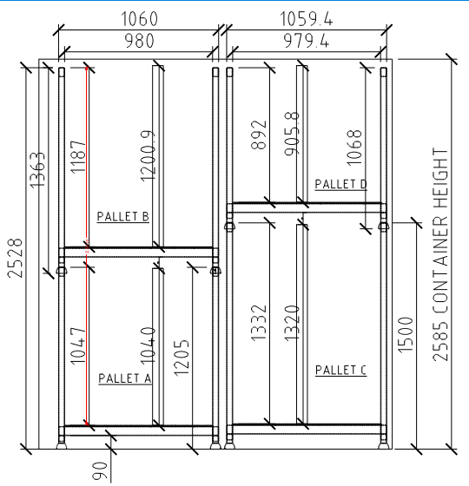
40' HC Container Calculation Sheet - Horizontal Packing

40' HC Container Qty Required | 9 | SQM per Container | 64

 | TOTAL QTY | Height ≤3000mm | Height 3000mm - 4000mm | Height 4000mm - 5000mm | Height 5000mm - 6000mm | Height >6000mm
PALLET D PANELS 0mm-500mm | 0 | 0 | 0 | 0 | 0 | 0
PALLET A PANELS 501mm - 700mm | 4 | 0 | 4 | 0 | 0 | 0
PALLET B PANELS 701mm - 1100mm | 2 | 2 | 0 | 0 | 0 | 0
PALLET B PANELS 1101mm - 2300mm | 137 | 37 | 100 | 0 | 0 | 0
PALLET C PANELS >2301mm | 0 | 0 | 0 | 0 | 0 | 0

Frame Width (mm) | 200
Panel Gap (mm) | 100
Pallet Height (mm) | 2370
Panels per Pallet | 7

 | 4 | Rows per Container | Full Container Qty | Pallet Left | Row Left | Container per Row | Left Container
1 | Pack per Row Pallet Qty | 6 | 1 | -2 | -2 | 0.25 | -0.50
2 | Pack per Row Pallet Qty | 1 | 0 | -1 | -1 | 0.25 | -0.25
3 | Pack per Row Pallet Qty | 0 | 0 | 0 | 0 | 0.25 | 0.00
4 | Pack per Row Pallet Qty | 0 | 0 | 0 | 0 | 0.25 | 0.00

 | 3 | Rows per Container
1 | Pack per Row Pallet Qty | 15 | 5 | 0 | 0 | 0.33 | 0.00
2 | Pack per Row Pallet Qty | 0 | 0 | 0 | 0 | 0.33 | 0.00
3 | Pack per Row Pallet Qty | 1 | 0 | -1 | -1 | 0.33 | -0.33
4 | Pack per Row Pallet Qty | 0 | 0 | 0 | 0 | 0.33 | 0.00

 | 2 | Rows per Container
1 | Pack per Row Pallet Qty | 0 | 0 | 0 | 0 | 0.50 | 0.00
2 | Pack per Row Pallet Qty | 0 | 0 | 0 | 0 | 0.50 | 0.00
3 | Pack per Row Pallet Qty | 0 | 0 | 0 | 0 | 0.50 | 0.00
4 | Pack per Row Pallet Qty | 0 | 0 | 0 | 0 | 0.50 | 0.00

 | 2 | Rows per Container
1 | Pack per Row Pallet Qty | 0 | 0 | 0 | 0 | 0.50 | 0.00
2 | Pack per Row Pallet Qty | 0 | 0 | 0 | 0 | 0.50 | 0.00
3 | Pack per Row Pallet Qty | 0 | 0 | 0 | 0 | 0.50 | 0.00
4 | Pack per Row Pallet Qty | 0 | 0 | 0 | 0 | 0.50 | 0.00

 | 1 | Rows per Container
1 | Pack per Row Pallet Qty | 0 | 0 | 0 | 0 | 1.00 | 0.00
2 | Pack per Row Pallet Qty | 0 | 0 | 0 | 0 | 1.00 | 0.00
3 | Pack per Row Pallet Qty | 0 | 0 | 0 | 0 | 1.00 | 0.00
4 | Pack per Row Pallet Qty | 0 | 0 | 0 | 0 | 1.00 | 0.00

Check | 4 | 3 | 2 | 2 | 1
4 | 0.00 | 0.00 | 0.00 | 0.00 | 0.00
3 | 0.00 | 1.00 | 0.00 | 0.00 | 0.00
2 | 1.00 | 0.00 | 0.00 | 0.00 | 0.00
1 | 2.00 | 5.00 | 0.00 | 0.00 | 0.00

 | Glass | 200 | mm pack
 |  | 6 | pc glass / pack

 | 394 | window units |  | 59 | KK allowed
 | 131 | rows

 | 113 | sqm/container
 | 378 | sqm/container
 | 5 | container for glass

 | 35

 |  |  | 0001

